GC790 Parts
Parts Diagram and Price List
Name |  | Brand | Model |  | Version
Concrete Saw |  | ZimAni/Holzfforma | K770/GC790 |  | STANDARD
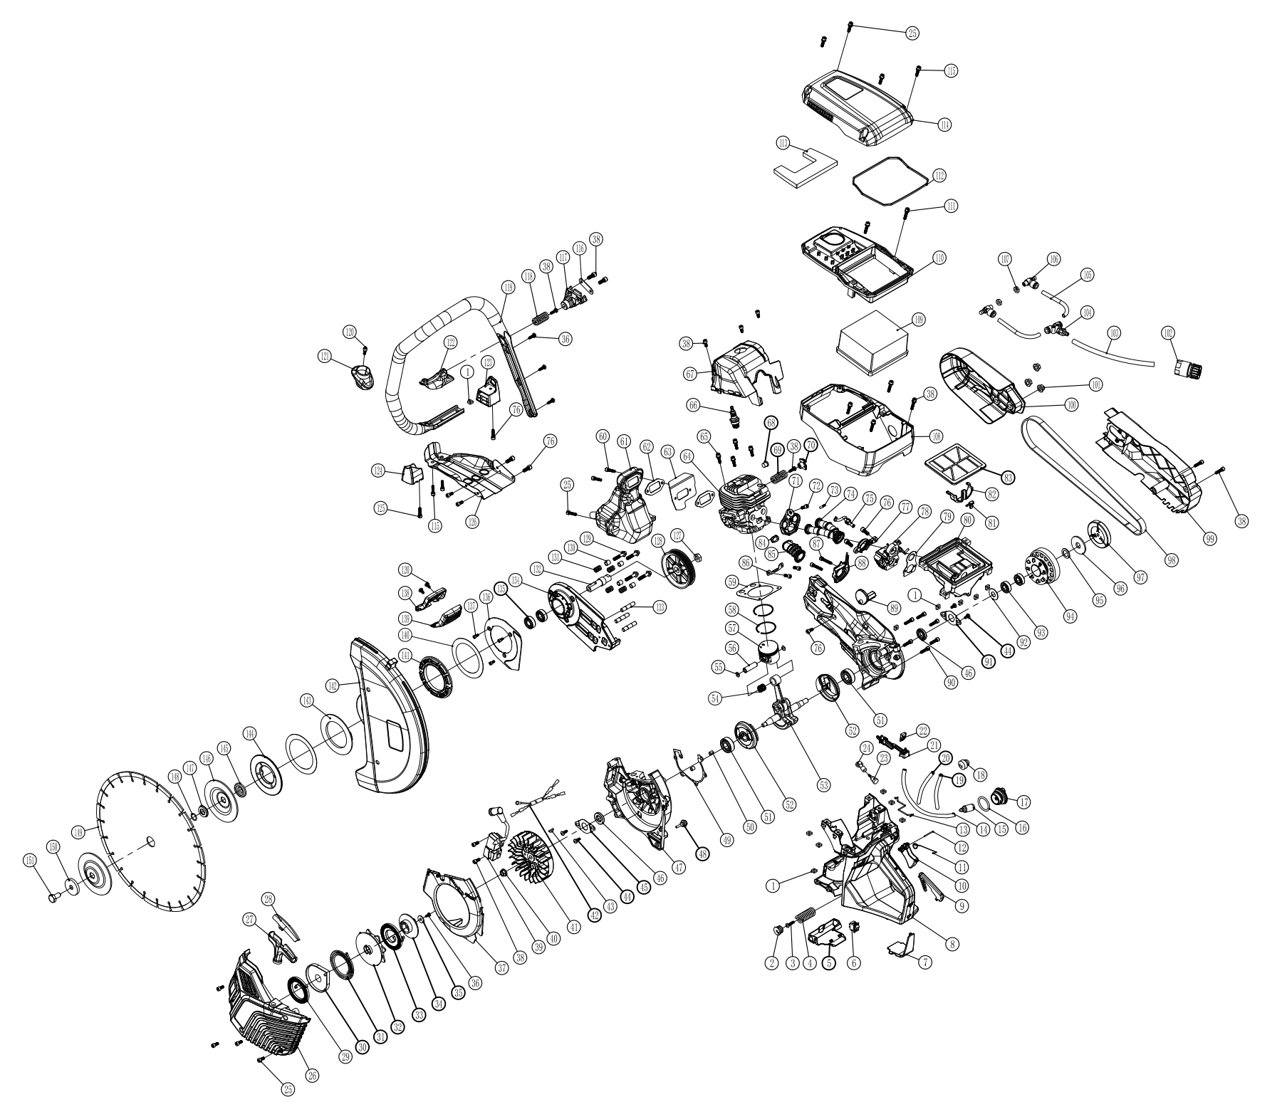

Number | Farmertec SKU | Parts Name | 中文名 | Price | Mark
1 | TM00005B | M5 Nut | M5方形螺母
2,3,4 | PJ79017 | AV Spring Assy. For GC790 | GC790 减震弹簧组件
5 | PJ79018 | Heat ShieldFor GC790 | GC790 油箱垫块
6 | PJ79019 | Switch For GC790 | GC790 熄火开关
7 | PJ79020 | Ground Support For GC790 | GC790 油箱底部支架
1--24 | PJ79021 | Fuel tank Assy. For GC790 | GC790 后油箱总成
9 | PJ79022 | Trigger Holder For GC790 | GC790 控制臂
10 | PJ79023 | Throttle Control For GC790 | GC790 扳机
11 | PJ79024 | Trigger Spring For GC790 | GC790 扳机弹簧
13 | PJ79025 | Throttle Rod For GC790 | GC790 油门推杆
14 | PJ79026 | Fuel Hose For GC790 | GC790 油管
15 | PJ79027 | Fuel filter For GC790 | GC790 油滤器
16--17 | PJ79028 | Oil cap For GC790 | GC790 油箱盖
18 | PJ79029 | Oil bubble For GC790 | GC790 油泡
19 | PJ79030 | Inlet pipe For GC790 | GC790 进气管
20 | PJ79031 | Oil return pipe For GC790 | GC790 回油管
23--24 | PJ79032 | Tank Vent with Base For GC790 | GC790 平衡器+座
26-36 | PJ79002 | Recoil starter Assy. For GC790 | GC790 启动器总成
39 | PJ79003 | Ignition coil For GC790 | GC790 高压包
41 | PJ79004 | Flywheel For GC790 | GC790 飞轮
47 | PJ79001 | Crankcase Assy. For GC790 | GC790 箱体总成
48 | PJ79033 | Crankcase Annular Buffer For GC790 | GC790 箱体减震橡胶
49 | PJ79034 | Crankcase Gasket For GC790 | GC790 箱体垫片
51 | PJ79035 | Oil seal For GC790 | GC790 油封一对
52 | PJ79006 | Crankshaft Cover For GC790 | GC790 曲轴盖
53 | PJ79005 | Crankshaft For GC790 | GC790 曲轴
54 | PJ79036 | Needle Cage Bearing 12*15*14.7 For GC790 | GC790 滚针12*15*14.7
58 | HSH5755112 | Piston Ring 51x1.2mm | 活塞环
55-58,64 | QG79051 | 51mm Cylinder Piston Kit For GC790 | 51mm 790切割机气缸活塞套
55-58 | HS79051 | 51mm Piston Kit For GC790 | 51mm 790切割机活塞套
59 | PJ79037 | Cylinder Gasket For GC790 | GC790 气缸垫片
61 | PJ79007 | Muffler For GC790 | GC790 消声器
62 | PJ79007A | Muffler Gasket For GC790 | GC790 消声器垫片
63 | PJ79007B | Muffler Cooling Plate For GC790 | GC790 消声器导风垫
66 | T0068 | Spark Plug NGK BPMR7A | GC790 NGK火花塞
68-70 | PJ79038 | Decompression Valve/Cylinder Annular Buffer spring/Cylinder Annular Buffer Base For GC790 | GC790 减压阀+气缸减震弹簧+气缸减震弹簧座
71 | PJ79039 | Intake Manifold Base For GC790 | GC790 进气管座
73 | PJ79040 | Impulse Connector 4 For GC790 | GC790 负压嘴 4
74 | PJ79041 | Double hole intake manifold For GC790 | GC790 双孔进气管
75 | PJ79042 | Impulse Line For GC790 | GC790 负压管
77 | PJ79043 | Intake Flange For GC790 | GC790 进气管支架
78 | PJ79008 | Carburetor For GC790 | GC790 化油器
79 | PJ79008A | Carburetor gasket For GC790 | GC790 化油器垫片
80 | PJ79044 | Air filter base For GC790 | GC790 空滤器座
84 | PJ79045 | Intake Manifold Sleeve For GC790 | GC790 进气管衬套
85 | PJ79046 | Intake Manifold Elbow For GC790 | GC790 进气弯管
89 | PJ79047 | Adjuster Gear For GC790 | GC790 调节凸轮
94 | PJ79015 | Clutch drum For GC790 | GC790 被动盘
97 | PJ79016 | Clutch For GC790 | GC790 离合器
98 | PJ79048 | Belt For GC790 | GC790 皮带
99 | PJ79009 | Side Cover For GC790 | GC790 侧盖
100 | PJ79010 | Protecting Cover For GC790 | GC790 防护罩
102 | PJ79049 | Pipe connector For GC790 | GC790 水管接头
103 | PJ79050 | Water Pipe 8mm*2m For GC790 | GC790 水管8mm*2m
104 | PJ79051 | T Type Connector For GC790 | GC790 三通接头
105 | PJ79052 | Air Tube 8*120 For GC790 | GC790 气管8*120
106 | PJ79053 | Throttle valve For GC790 | GC790 节流阀
108 | PJ79011 | Top cover For GC790 | GC790 上盖
109 | PJ79054 | Air filter Base For GC790 | GC790 空滤器座
110 | PJ79012 | Middle Cover | GC790 中盖
112 | PJ79055 | Sealing Strip 3 For GC790 | GC790 密封条 3
113 | PJ79056 | Air Filter Sponge For GC790 | GC790 空滤器海绵
114 | PJ79013 | Top cover For GC790 | GC790 顶盖
117 | PJ79057 | Crankcase Annular Buffer Spring Base Plate | GC790 箱体减震弹簧座铁片
118 | PJ79058 | Crankcase Annular Buffer Spring For GC790 | GC790 箱体减震弹簧
119 | PJ79014 | Handle Bar For GC790 | GC790 手提把
121 | PJ79014A | Limit sleeve For GC790 | GC790 限位套
122 | PJ79014B | Handle fixed block For GC790 | GC790 提把固定块
123 | PJ79059 | Right Support For GC790 | GC790 右支撑脚
124 | PJ79060 | Left Support For GC790 | GC790 左支撑脚
128 | PJ79061 | 14" Blade Pulley For GC790 | GC790 小皮带轮，350mm切割片用
132 | PJ79062 | Output shaft For GC790 | GC790 输出轴
133 | TM08550 | Stud M8*55 | GC790 双头螺栓M8*55
134 | PJ79063 | Fixed plate For GC790 | GC790 固定板
136 | PJ79064 | Dust cover For GC790 | GC790 防尘盖板
140 | PJ79065 | Aluminum gasket For GC790 | GC790 铝垫片
141 | PJ79066 | Blade cover large rubber Gasket For GC790 | GC790 砂轮罩大橡胶垫
142 | PJ79067 | Blade cover For GC790 | GC790 砂轮罩
143 | PJ79068 | Blade cover small rubber gasket For GC790 | GC790 砂轮罩小橡胶垫
144 | PJ79069 | Blade cover connecting flange For GC790 | GC790 砂轮罩链接法兰
145 | PJ79070 | Sleeve For GC790 | GC790 隔套
146 | PJ79071 | Large plate For GC790 | GC790 大压片
147 | PJ79072 | Cutting disc Exchange Gasket For GC790 | GC790 切割片变径套
150 | PJ79073 | Small plate For GC790 | GC790 小压片
151 | TM10200 | Hexagon screw M10*20 | 六角螺丝M10*20
Parts For 400mm/16inch Concrete Cutter
400mm-94 | PJ79015A | 16" Blade Big Clutch Drum For GC790 | GC790 大被动盘，400mm切割片用
400mm-128 | PJ79058A | 16" Blade Large pulley For GC790 | GC790 大皮带轮，400mm切割片用
400mm-142 | PJ79064A | 16" Blade Big Blade cover For GC790 | GC790 大砂轮罩，400mm切割片用

